Sheet1
topic | question | prints out | answer | comment | more notes

quiz0

syntax numerical | which are good syntax
 | 8 / +2 | 4 | correct

unit conversion | 1 g = .03 oz
 | how to convert oz -> ? G |  | oz / .03

 | so 1 oz = 1g / .03

 | ex. 22 g -> ? Oz
 | ex.
 | oz = 100
 | what is the g?
 | 100 oz / .03 oz = 333 g

variable name syntax | __number__ |  | valid | # we only don’t do it because of convention

lecture 'more operations'
clock application | hour = 20 |  |  | # convert 12 time to 24 hr time
arithmetic | shift = 8 |  |  | ex. 20 + 8 = 4
 | print (hour + shift) % 24 | 4 |  | unadj % 24 = 4

 | 6 + 7 % 5 | 8 |  | # % comes before PEMDAS

screen wraparound | width = 800 |  |  | # total X axis
 | position = 797 |  |  | # position on X axis
 | move = 5 |  |  | # pos + move
 | position = (position + move) % width |  |  | # 803 % 800
 | print position | 3

 | position = 2
 | move = -5 |  |  | # 2 - 5
 | position = (position + move) % width |  |  | # -3 % 800
 | print position |  |  | # 797

data conversion operations

convert hr to 24hr | hour = 3
 | ones = hour % 10 |  |  | # 3
 | tens = hour // 10 |  |  | # 0
 | print tens, ones, ":00" | 0 3 :00
 | print str(tens), str(ones), ":00" | 0 3 :00 |  | # except now 0 and 3 are strings, can +
 | print str(tens) + str(ones) + ":00" | 3:00:00

boolean | T & T | T
logic + comparisons | all else & | F

 | F or F | F
 | all else OR | T

 | c = 'hi' == 'hi'; print c | T

rock paper scissors spock | rock = 0 |  |  | http://www.codeskulptor.org/#user39_pmTViLAM9u_3.py
 | spock = 1
 | paper = 2
 | lizard = 3
 | scissors = 4

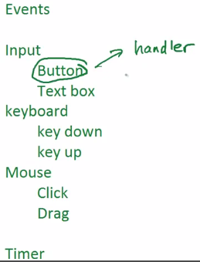
event-driven programming | # CodeSkulptor GUI module
 | import simplegui |  |  |  | #module

 | # Event handler
 | def tick(): |  |  |  | #simple event handler
 | print "tick!"

 | # Register handler
 | timer = simplegui.create_timer(1000, tick) |  |  |  | create_timer(#ms, fxn/handler) | ticks every 1000ms or every second

 | # Start timer
 | timer.start() |  |  |  | # would need to stop it

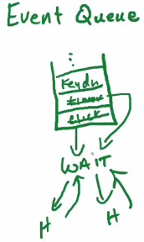
event queue | take events as they happen, put in queue
 | # If event at same time, random order
 | # while handler running (short) |  |  |  | stops all other events
 | hollywood model - don’t call us, we call you
 | cant guaruntee order of functions

quiz 1 | def fxn(x): |  |  | answers here
 | return -5*x**5 + 69*x**2 - 47 |  |  | http://www.codeskulptor.org/#user39_iwWk5EIvlu_2.py

 | for x in range(4):
 | print fxn(x)

#q4 | n - n % 10 / 10 |  |  | # want 10s place, so 2
 | 123 - 123%10 / 10
 | (123 - 3) / 10 | 12

 | ((n - n % 10 ) % 100) / 10
 | (123 - 3) % 100 / 10
 | 120 % 100 ) / 10
 | 20 / 10 | 2

 | ((n - n % 10) / 10) % 10
 | 123 - 3) / 10 % 10
 | 120 / 10 % 10
 | 12 % 10 | 2

 | (n % 100 - n % 10) / 10
 | 23 - 3 ) / 10 | 2

quiz 2a | non-code | #q1
 | 1 event handler at once | #q2
 | 3 parts of a frame | #q3 |  | # control area, canvas, STATUS AREA | # background area is not part of a frame | 4 5 2 3 1 6 7
 | 1. Create frame | #q4 |  | # interactive py program split into 7 parts | Initialize global variables
 | 2. Define classes |  |  |  | Define helper functions
 | 3. Define event handlers |  |  |  | Define classes
 | 4. Initialize global variables |  |  |  | Define event handlers
 | 5. Define helper functions |  |  |  | Create frame | -----
 | 6. Register event handlers |  |  |  | Register event handlers
 | 7. Start frame and timers |  |  |  | Start frame and timers

 | x = 5 | #q5 |  | # needs global x dec to change x globally
 | def a(y):
 | x = x + y
 | return y

 | count = 0 | #q6

 | def square(x):
 | global count
 | count += 1 |  |  | # count = count + 1 each time square(x)
 | return x**2

 | print square(square(square(square(3))))
 | print count | 4

 | a and b global, also f of f(a) | #q7
 | c local, also a of f(a) | #q8

 | frame = simplegui.create_frame("Testing", 200, 200, 300) | #q9 |  | # how do you call create_frame
 | f = simplegui.create_frame("My Frame", 100, 100) |  |  | http://www.codeskulptor.org/docs.html#simplegui-create_frame
 |  |  |  | simplegui.create_frame(title, canvas_width, canvas_height, control_width)
 |  |  |  | ('title', width, height, control width)

 | import simplegui |  |  | # how to set canvas w/ red background
 | frame = simplegui.create_frame("My Frame", 100, 100)
 | frame.set_canvas_background("Red")
 | frame.start()

 | import simplegui |  |  | for some reason, this also works
 | frame = simplegui.create_frame("My Frame", 100, 100)
 | frame.set_canvas_background("#FF0000")
 | frame.start()

Week 2b - Buttons and input fields

quiz 2b | my_button = frame.add_button("My Label", button_handler, 100) | #q1 |  | frame.add_button(text, button_handler, width)
 | 0+ | #q2 |  | # any number of control objects in a frame
 |  | #q3 |  | # can add this object to control panel, this object doesn’t allow handler | # either button (no), input field (no) or canvas or frame
 | input always str | #q4
 | p and q / p or q | #5 |  | # if p = F, false ; q=T would mean TRUE | # only p and q………. P or q not the same
 | fxn should return not print | #6
 | ref before assignment' | #7 |  | # also if u assign x = x + 1 without global x | # then it would compute a local x, but not assign it to the global
 | # not ''' | #8 |  | # this says comments should be own line | # no space below label either
 | add to event handler in input field, global count | #9 |  | # to reset a click count using a msg, | # change the count assignment in the input event handler,
 |  | #10 |  |  | # also add a global count in the event handler
 |  | #3.2 |  | # need to assign create frame.
lectures |  |  |  | simplegui.create_frame(title, canvas_width, canvas_height)
 |  |  |  | need to assign label
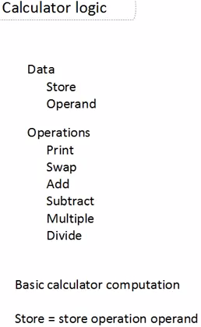
buttons |  |  |  | frame.add_label(text, width)
 | # building a calculator
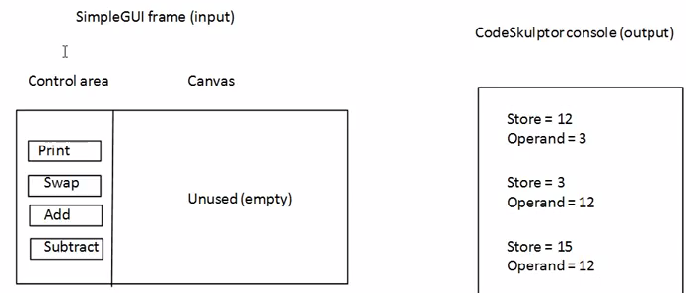

 |  |  |  |  |  | # a button for 0-9
 |  |  |  |  |  | # a button for + - X %
 |  |  |  |  |  | # use input field to enter value for

 |  |  |  |  |  | # button for print

 | import simplegui

 | # intialize globals
 | store = 12 |  |  | # these are going to be acted on by store(), swap() | # this is what answer will be
 | operand = 3 |  |  |  | # this is just the other number we're add(), sub() store to

 | # event handlers for calculator with a store and operand

 | def output():
 | """prints contents of store and operand""" |  |  | # don’t need to declare global, not changing vars
 | print "Store = ", store | store = 12
 | print "Operand = ", operand | operand = 3
 | print ""

 | def swap():
 | """ swap contents of store and operand"""
 | global store, operand |  |  | # declare the global of both
 | store, operand = operand, store |  |  | switch each var's values
 | output() | store = 3
 |  | operand = 12
 | def add():
 | """ add operand to store"""
 | global store | 3 |  | # store is changing w/o a return stmt
 | store = store + operand | store = 3 + 12 |  | # globally stored
 | output() | store = 15
 |  | operand =12
 | def sub():
 | """ subtract operand from store"""
 | global store | 15 |  | # store is changing w/o a return stmt
 | store = store - operand | store = 15 - 12
 | output() | store = 12
 |  | operand = 12
 | def mult():
 | """ multiply store by operand"""
 | global store | 12
 | store = store * operand | store = 12 * 12
 | output() | store = 144
 |  | operand = 12
 | def div():
 | """ divide store by operand"""
 | global store | 144
 | store = store / operand | store = 144 / 12
 | output() | store = 12
 |  | operand = 12

 | # create frame
 | f = simplegui.create_frame("Calculator",300,300) |  |  | # creates frame titled calculator, assigns it to f. is 300 pixels wide, 300 px high | # we didn’t give it a size for control area (where buttons are that we click)

 | # register event handlers |  | # means same as create buttons
 | f.add_button("Print", output, 100) |  |  | # in f, add print button that does output, 100 high
 | f.add_button("Swap", swap, 100) |  |  | # add 'swap' button, it does swap fxn
 | f.add_button("Add", add, 100) |  |  | etc.
 | f.add_button("Sub", sub, 100)
 | f.add_button("Mult", mult, 100)
 | f.add_button("Div", div, 100) |  |  | # when user pushes button
 |  |  |  | NOTHING is passed to the event handler / button
 | # get frame rolling |  |  | there are no arguments passed
 | f.start()
input fields
 | def enter(t): |  |  | # this input
 | """ enter a new operand"""
 | global operand
 | operand = int(t) |  |  | # want to make a int/float of the string | # it assigns the input number to operand | # whats been operated on
 | output() |  |  | # prints out

 | f.add_input("Enter", enter, 100) |  |  | frame.add_input(text, input_handler, width)

 |  |  |  | # event handler for input field gets called when you…. Press enter
visualizing events | tags for events that have fired/occurred
 | pay attention to frames that exist at time

project 2 | code outline |  |  | test the code on it with testing template
 | http://www.codeskulptor.org/#user39_9VLq67kfny_1.py |  |  | http://www.codeskulptor.org/#user39_ZQcLHrqUAi_0.py

 | step 0 - import modules u may need
 | import math |  |  | # will need pi, sqrt, etc
 | import random |  |  | # will need randomized #s
 | import simplegui |  |  | # will need an input

 | step 1 - choose global variables needed in gm |  |  | Initialize global variables | # x, num_range,
 | x = int(input('Please enter a secret number: ")) |  |  | Define helper functions | # guess/2
 |  |  |  | Define classes
 | step 2 - define the helper fxns |  |  | Define event handlers | # enter_num, # of guesses
 |  |  |  | Create frame | f = simplegui.create_frame('Game', 200, 200)
 |  |  |  | Register event handlers | input_x =
 |  |  |  | Start frame and timers

